5 - SpecFndg
Important - calculations below are not applicable to port districts and institutions of higher education because their contribution rates already include the state contribution. See RCW 41.26.450.

LEOFF 2 - Special Funding Situation |  |  | LEOFF 1 - Special Funding Situation
See page 118 of the 2023 DRS PEFI: |  |  | See page 108 of the 2023 DRS PEFI:
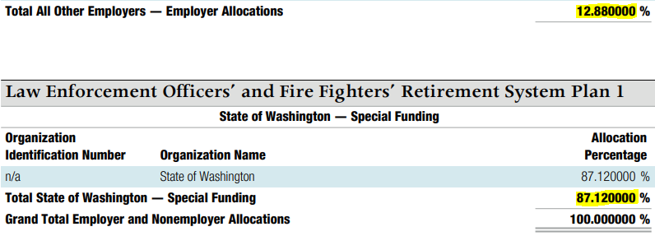

Special Funding | 38.971910% |  | Special Funding | 87.120000%
Divided by Employer Allocations | 61.028090% |  | Divided by Employer Allocations | 12.880000%
Formula based on PEFI percentages: | 63.858971% |  | Formula based on PEFI percentages: | 676.397516%

For note disclosure: | LEOFF 2 Asset |  | For note disclosure: | LEOFF 1 Asset
LEOFF 2 - employer's proportionate share | - | from LEOFF 2 spreadsheet | LEOFF 1 - employer's proportionate share | - | from LEOFF 1 spreadsheet
LEOFF 2 - State's proportionate share of the net pension asset associated with the employer | 0 | Percentage calculated above multiplied by employer's proportionate share | LEOFF 1 - State's proportionate share of the net pension asset associated with the employer | 0 | Percentage calculated above multiplied by employer's proportionate share
TOTAL | - |  | TOTAL | -

To recognize pension expense for your individual employer share of the State's contributions: |  |  | For LEOFF 1 there is no pension expense to recognize because the State no longer makes contributions to the plan.
Employer's LEOFF 2 contributions from "Employer Contributions" column of the PEFI
Multiplied by % calculated above | 63.858971%
 | 0

DR - Pension Expense | 0
CR - Intergovernmental Revenues (BARS 3350301) |  | 0

