6 - Sensitivity - Notes
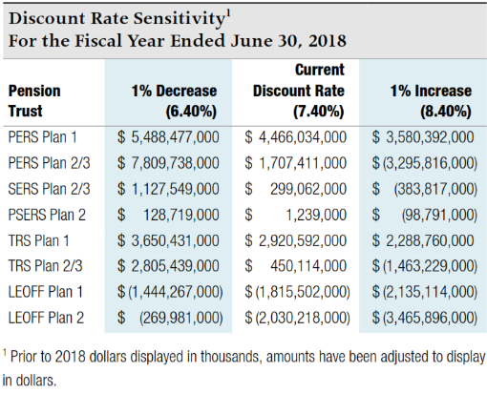
Sensitivity Analysis - for note disclosure

The table below presents the collective net pension liability or asset for each |  |  |  | Volunteer Firefighters' and Reserve Officers' Relief and Pension Fund (VFFRPF):
plan, calculated using the current discount rate of 7.4% as well as 1 percentage |  |  |  | Note that this plan has a different discount rate.
point lower (6.4%) and 1 percentage point higher (8.4%). To calculate the |  |  |  | Note that this plan has a net pension asset.
amounts for your individual employer note disclosures, enter your allocation |  |  |  | Individual employer percentages are available from the State Board
percentages for each plan in the appropriate box in the far left column. |  |  |  | website - bvff.wa.gov

Your |  |  |  | Your
Allocation % | 1% Decrease | Current Rate | 1% Increase | Allocation % | 1% Decrease | Current Rate | 1% Increase
Here | 6.40% | 7.40% | 8.40% | Here | 6.00% | 7.00% | 8.00%

PERS 1 | 5,488,477,000 | 4,466,034,000 | 3,580,392,000 | VFFRPF | (30,034,000) | (52,844,000) | (73,191,000)
0.237422% | 13,030,852 | 10,603,347 | 8,500,638 |  | 0 | 0 | 0

PERS 2/3 | 7,809,738,000 | 1,707,411,000 | (3,295,816,000)
0.283640% | 22,151,541 | 4,842,901 | (9,348,253)

SERS 2/3 | 1,127,549,000 | 299,062,000 | (383,817,000)
 | 0 | 0 | 0

PSERS 2 | 128,719,000 | 1,239,000 | (98,791,000)
0.312643% | 402,431 | 3,874 | (308,863)

TRS 1 | 3,650,431,000 | 2,920,592,000 | 2,288,760,000
 | 0 | 0 | 0

TRS 2/3 | 2,805,439,000 | 450,114,000 | (1,463,229,000)
 | 0 | 0 | 0

LEOFF 1 | (1,444,267,000) | (1,815,502,000) | (2,135,114,000)
0.141268% | (2,040,287) | (2,564,723) | (3,016,233)

LEOFF 2 | (269,981,000) | (2,030,218,000) | (3,465,896,000)
0.586597% | (1,583,700) | (11,909,198) | (20,330,842)

Source - collective net pension liability amounts from Note 4.C of DRS
Participating Employer Financial Information report dated 6/30/18.

