6 - Sensitivity - Notes
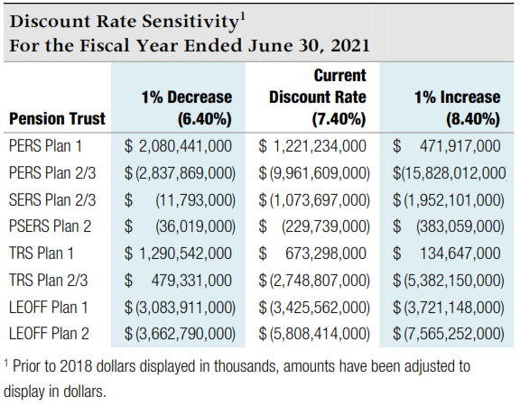
Sensitivity Analysis - for note disclosure

The table below presents the collective net pension liability or asset for each plan, calculated using the current discount rate of 7.4% as well as 1 percentage point lower (6.4%) and 1 percentage point higher (8.4%). To calculate the amounts for your individual employer note disclosures, enter your allocation percentages for each plan in the appropriate box in the far left column.
 |  |  |  | Volunteer Firefighters' and Reserve Officers' Relief and Pension Fund (VFFRPF):

 |  |  |  | Note that this plan has a different discount rate. Individual employer percentages are available from the State Board website - bvff.wa.gov

Your Allocation % | 1% Decrease | Current Rate | 1% Increase | Your Allocation % | 1% Decrease | Current Rate | 1% Increase
 | 6.40% | 7.40% | 8.40% |  | 6.00% | 7.00% | 8.00%

PERS 1 | 2,080,441,000 | 1,221,234,000 | 471,917,000 | VFFRPF | 9,737,000 | (22,005,000) | (47,968,000)
 | 0 | 0 | 0 |  | 0 | 0 | 0

PERS 2/3 | (2,837,869,000) | (9,961,609,000) | (15,828,012,000)
 | 0 | 0 | 0

SERS 2/3 | (11,793,000) | (1,073,697,000) | (1,952,101,000)
 | 0 | 0 | 0

PSERS 2 | (36,019,000) | (229,739,000) | (383,059,000)
 | 0 | 0 | 0

TRS 1 | 1,290,542,000 | 673,298,000 | 134,647,000
 | 0 | 0 | 0

TRS 2/3 | 479,331,000 | (2,748,807,000) | (5,382,150,000)
 | 0 | 0 | 0

LEOFF 1 | (3,083,911,000) | (3,425,562,000) | (3,721,148,000)
 | 0 | 0 | 0

LEOFF 2 | (3,662,790,000) | (5,808,414,000) | (7,565,252,000)
 | 0 | 0 | 0

Source - collective net pension liability amounts from Note 4.C of DRS
Participating Employer Financial Information report dated 6/30/21.

