6 - Sensitivity - Notes
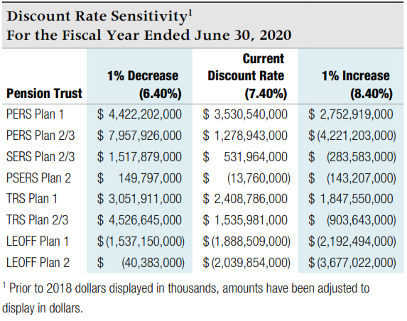
Sensitivity Analysis - for note disclosure

The table below presents the collective net pension liability or asset for each |  |  |  | Volunteer Firefighters' and Reserve Officers' Relief and Pension Fund (VFFRPF):
plan, calculated using the current discount rate of 7.4% as well as 1 percentage |  |  |  | Note that this plan has a different discount rate.
point lower (6.4%) and 1 percentage point higher (8.4%). To calculate the |  |  |  | Note that this plan has a net pension asset.
amounts for your individual employer note disclosures, enter your allocation |  |  |  | Individual employer percentages are available from the State Board
percentages for each plan in the appropriate box in the far left column. |  |  |  | website - bvff.wa.gov

Your |  |  |  | Your
Allocation % | 1% Decrease | Current Rate | 1% Increase | Allocation % | 1% Decrease | Current Rate | 1% Increase
Here | 6.40% | 7.40% | 8.40% | Here | 6.00% | 7.00% | 8.00%

PERS 1 | 4,422,202,000 | 3,530,540,000 | 2,752,919,000 | VFFRPF | (5,173,000) | (35,240,000) | (59,666,000)
0.230250% | 10,182,120 | 8,129,068 | 6,338,596 |  | 0 | 0 | 0

PERS 2/3 | 7,957,926,000 | 1,278,943,000 | (4,221,203,000)
0.280457% | 22,318,561 | 3,586,885 | (11,838,659)

SERS 2/3 | 1,517,879,000 | 531,964,000 | (283,583,000)
 | 0 | 0 | 0

PSERS 2 | 149,797,000 | (13,760,000) | (143,207,000)
0.218684% | 327,582 | (30,091) | (313,171)

TRS 1 | 3,051,911,000 | 2,408,786,000 | 1,847,550,000
 | 0 | 0 | 0

TRS 2/3 | 4,526,645,000 | 1,535,981,000 | (903,643,000)
 | 0 | 0 | 0

LEOFF 1 | (1,537,150,000) | (1,888,509,000) | (2,192,494,000)
0.144254% | (2,217,400) | (2,724,250) | (3,162,760)

LEOFF 2 | (40,383,000) | (2,039,854,000) | (3,677,022,000)
0.542861% | (219,224) | (11,073,572) | (19,961,118)

Source - collective net pension liability amounts from Note 4.C of DRS
Participating Employer Financial Information report dated 6/30/20.

